Sheet1
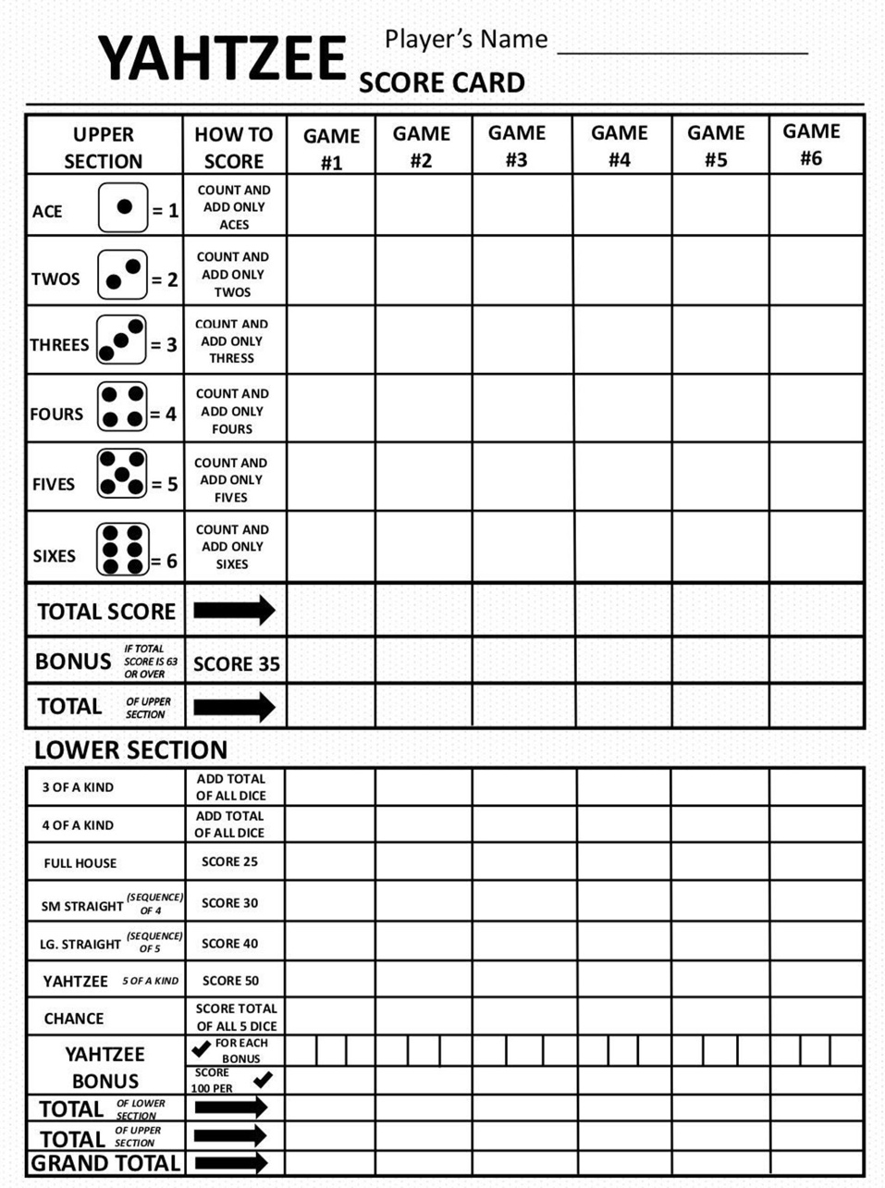

New Game
Roll

Upper Section

Lower Section

Score
High Score

